Sustainability Strategy
Sustainability strategy
Driving sustainable impact across people, planet and governance

Ambition
Create value for people and the society
Support energy transition
Maintain sound governance model

Commitment
Μaintain high levels of employee and Customers satisfaction
Provide equal opportunities for all stakeholders
Protect stakeholders' data privacy
Enhance customer satisfaction and operational efficiency through digitalization
Minimize our own carbon footprint
Incorporate Climate and Environmental Factors in Business and Risk Management
Develop transition plans
Implement Waste Management Programs
Foster a culture of ethics, transparency and Integrity
Embed sustainability in bank's corporate culture
No tolerance to corruption and bribery
Protection of Whistleblowers

Target
100% renewable energy by 2026 in our own operations (Base year 2024)
100% replacement of conventional vehicles with electric or plug-in hybrid electric vehicle (PHEV) of bank's fleet by 2030
Development of an Environmental Management System in accordance with ISO 14001 by 2026
100% replacement of papaer used with FSC certified one, by 2027
Establish baseline for emissions' reduction
Embed ESG criteria in our remuneration and Risk management policies
Sustainability training for employees
Provide transparent information to our Stakeholders, including employees (e.g. reports)
Zero tolerance for bribery incidents and full compliance with anti-corruption regulations
Zero incidents of retaliation against whistleblowers
Implement initiatives in support of a flexible and balanced working environment
Zero tolerance to violence, harassment and any type of discrimination
50% of women employees at Group level
40% of women in top management
Maintain NPS> 80%
Adopt international security standards to enhance cybersecurity and personal data protection

Stakeholder Engagement
We use our Communication channels to ensure continuous dialogue with Stakeholders* and meet their expextations
cover

Government & Regulators
Customers & Clients
Employees
Investors & Shareholders
Suppliers & Partners
Society & Communities

Customer satisfaction surveys
Daily Communication in Bank’s Branches’
Relationship Managers
Call Center
“Send us your message” dedicated platform
Complaint form in the Bank’s website
Materiality Analysis Process
Financial Statements
Annual Report
Roadshows
General meetings
Press Releases
One to one meetings
Investor Relations events
Materiality Analysis Process
General Management’s visits to Bank’s Branches
Internal Portal for daily communication
Regular meetings with HR
Volunteering and CSR Initiatives
Training Sessions
Materiality Analysis Process
Memberships in Associations (i.e. Hellenic Banking Association)
Communication with representatives of the local communities via Branches
Direct communication
Annual Reports
Donations/ CSR programs
Materiality Analysis Process
Consultation with State Authorities
Cooperation with the Bank of Greece and other regulatory authorities
Regulatory reports
Meetings
Inquiries
Support of public Initiatives

One to one meetings
Terms of supply agreements
Annual Reports
Materiality Analysis Process

* Stakeholders are not listed in a prioritized order since the Bank treats all its stakeholders equally.
For the identification of Optima’s stakeholder groups, sectoral standards, peers’ reviews and market analysis have been used.

Sustainability Governance
Enhanced governance to ensure oversight of sustainability issues

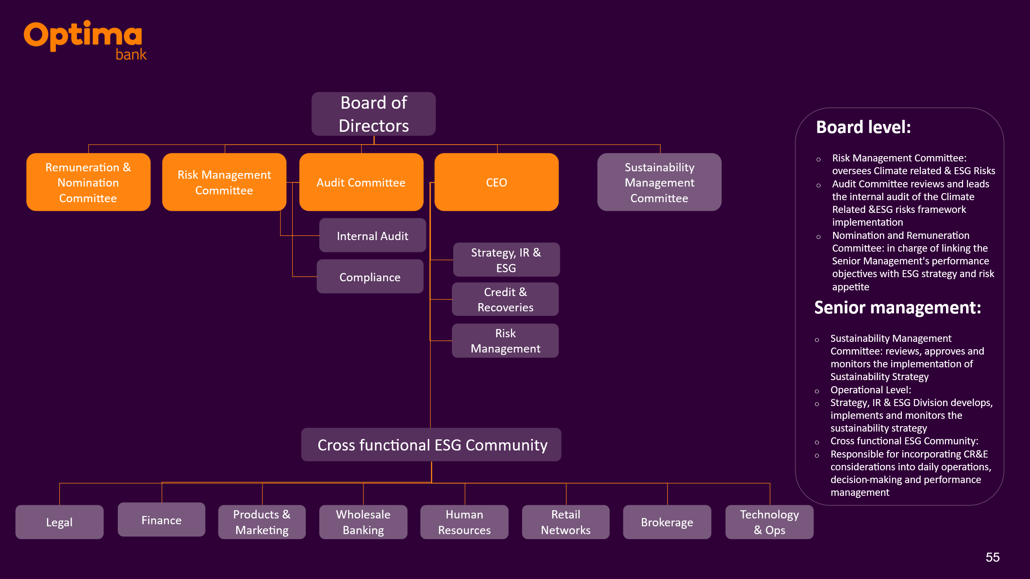

Governance Data
Governance DATA
 | Unit | 2022 Performance | 2023 Performance | 2024 Performance | 2025 Performance | Comments
Board Composition
Board composition - Classification of the Chairman of the Board |  | Non- Executive Board Member | Non- Executive Board Member | Non- Executive Board Member | Non- Executive Board Member
Board composition - Percentage of female board members | Percentage | 11% | 25% | 25% | 25%
Board composition - Percentage of non-executive board members | Percentage | 78% | 80% | 73% | 82%
Board composition - Percentage of independent non-executive board members | Percentage | 45% | 50% | 40% | 45%
Board composition - Number of board members | Number | 9 | 10 | 11 | 11
Board composition - Average age of board members | Number | 57 | 57 | 57 | 57
Board composition - Average tenure of board members | Number | 4 | 4 | 4 | 4
Board composition- Number of executive members | Number | 2 | 2 | 2 | 2
Board composition- Number of non-executive members | Number | 7 | 8 | 8 | 9
Board composition- Number of independent non-executive members | Number | 4 | 5 | 4 | 5
Board Composition- Number of overboarded non- executive directors | Number | 0 | 0 | 0 | 0
Board Composition- Percentage of Board directors who are former or current employees | Percentage | 22% | 20% | 18.8 | 18.8%
Board Composition- Percentage of the board which has familial relationships with other directors | Percentage | 0 | 0 | 0 | 0
Committees meetings
Number of meetings of the Board of Directors | Number | 17 | 22 | 22 | 16
Number of meetings of the Audit Committee | Number | 13 | 14 | 16 | 13
Number of meetings of the Risk Management Committee | Number | 9 | 11 | 16 | 31
Number of meetings of the Remuneration Committee | Number | 4 | 8 | 7 | 7
Number of meetings of the Sustainability Management Committee | Number | N/A | N/A | 1 | 3
What percentage of the directors attended less than seventy-five percent of all meetings? | Percentage | 0 | 0 | 0 | 0
Did any director attend less than seventy-five percent of all meetings without a valid reason? | Number | 0 | 0 | 0 | 0
Other
Business ethics violations - Total amount of monetary losses as a result of business ethics violations | Number | 0 | 0 | 0 | 0
Business ethics violations - Total number of business ethics violations | Number | 0 | 0 | 0 | 0
Number of inquiriesreceived via the whistleblowing mechanism | Number | 0 | 0 | 2 | 3
Number of complaints received throughout the year | Number | 6 | 7 | 7 | 32
Number of employees receiving training on anti bribery and corruption | Number | 426 | 478 | 550 | 588
Internal ESG Capacity- Eployees receiving training on Sustainability | Number | N/A | N/A | 154 | 154
Number of Sustainability related reports | Number | N/A | N/A | 2 | 2
Number of engagegements with Investors | Number | N/A | 69 | 110 | 149
Number of identified breaches of climate/environmental regulations | Number | 0 | 0 | 0 | 0
Sustainability related Codes and Policies |  |  | Memberships and Ratings
Absenteeism Policy | √ |  |  | 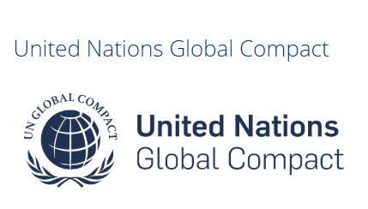
Busines Ethics Policy -Code of Ethical Conduct and Ethics | √
Code of Ethical Conduct and Ethics | √
Data security policy - Description of data security policy and fundamental principles | √
Information Security Incidents Management Policy | √
Physical Security Policy | √
Policy for the Prevention and Combating of Incidents of Violence and Harassment at Work - Complaint Management: | P54_Έκδοση για Site_Πολιτική για τη Βία και την Παρενόχληση
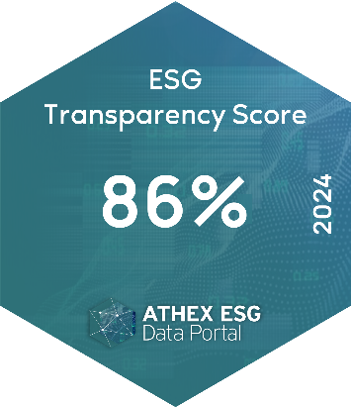
Remuneration Policy for the members of BoD | p43_politiki_apodoxon_melon_ds.pdf
Suitability Policy for the Members of the BoD | suitability_policy_members_board_of_directors.pdf
Environmental Policy | p66en_environmental_policy.pdf
Whistleblowing Policy | ANX295_Παράρτημα Ι_Site_Πολιτική Καταγγελιών Αθέμιτων Πρακτικών (Whistleblowing Policy)

