Cover
9M 2024 Results

Contents
1. Dashboard
2. KPIs
3. Balance Sheet
4. Income Statement
5. NII-Fees
6. Loan Book
7. Customer Funds
8. Securities
9. Capital
10. Asset Quality
11. IFRS 9 stages | Investor Relations
12. Glossary | investors@optimabank.gr

Disclaimer
This is a spreadsheet of an exclusively informative nature, intended to provide general information about the Bank. Your participation in any way in an event at which the spreadsheet is shown or your access to it in any other way constitutes an acknowledgment that you have read the terms hereof, which you understand and accept. This statement covers the spreadsheet, as well as any related material, oral or written information, comments, analyses, questions and answers related to it and the information contained therein.
The Bank takes appropriate measures in order to ensure that the content herein is true and accurate, however it does not make any warranty statement, does not provide a guarantee and does not undertake any commitment as to the completeness, accuracy, adequacy and impartiality of the information included in this information. No item or information listed herein is and cannot be taken, directly or indirectly, as such a statement or guarantee by the Bank. Information herein (including market data and statistics) may be derived from publicly available sources that have not been independently verified, and forecasts, valuations and statistical analyzes are based on subjective estimates and assumptions and may use alternative methodologies that produce different results.
The information contained herein does not take into account individual circumstances, investment objectives, financial ability, experience and knowledge and, therefore, in no way constitutes or may be construed, directly or indirectly, as a proposal or solicitation for carrying out transactions on the Bank's shares, nor as a recommendation or advice for making relevant investment decisions. Before making any investment decision, please do your own research, analysis and confirmation of the information herein and seek independent legal, tax and financial advice from professionals.
Statements, estimates and forecasts concerning mainly the Bank's strategy, business objectives and development, the results of operations and its financial position, the evolution of the Bank's branches of activity, as well as in general the economic and other conditions in Greece and abroad, are based on the Bank's current view, based on information available to it at the time of writing and reflect current expectations and assumptions regarding future events and circumstances which, however, may not be verified. These statements are not guarantees of future performance and contain many risks, uncertainties, general and specific and assumptions that are difficult to predict by the Bank and are beyond its control. You should not, therefore, rely on these statements, estimates and forecasts. The Bank does not undertake any responsibility to update or revise the statements herein, unless otherwise required by applicable law.

Dashboard
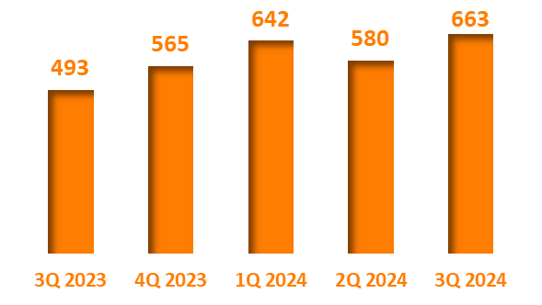
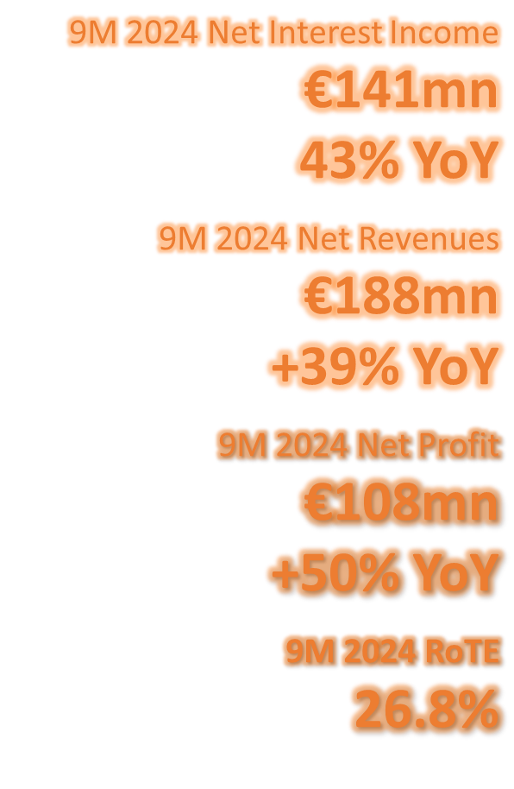
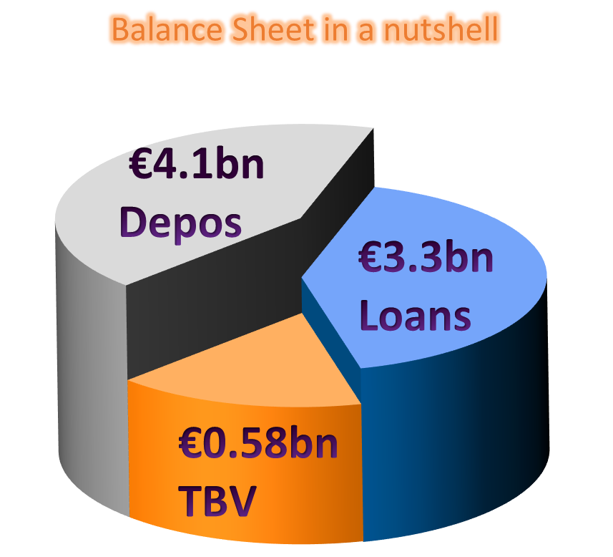
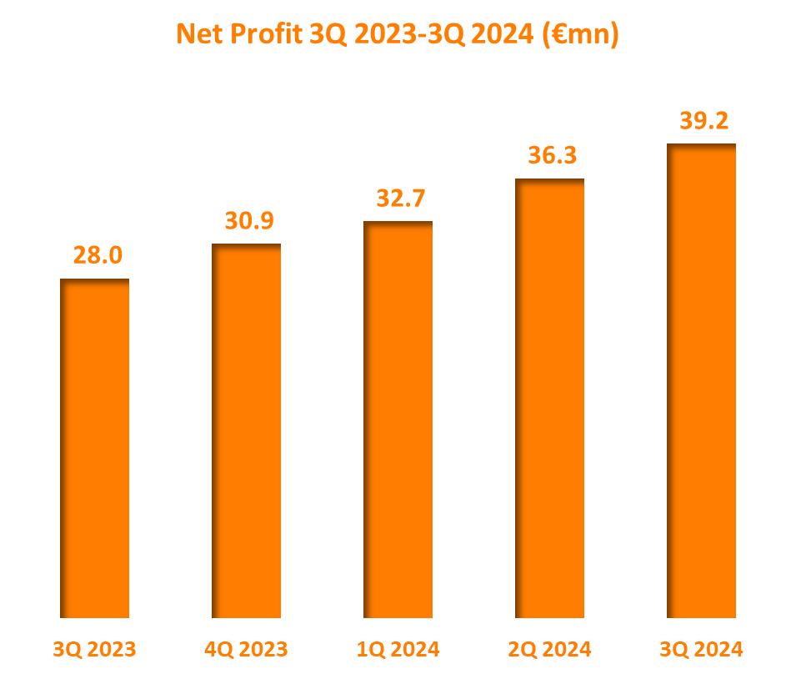
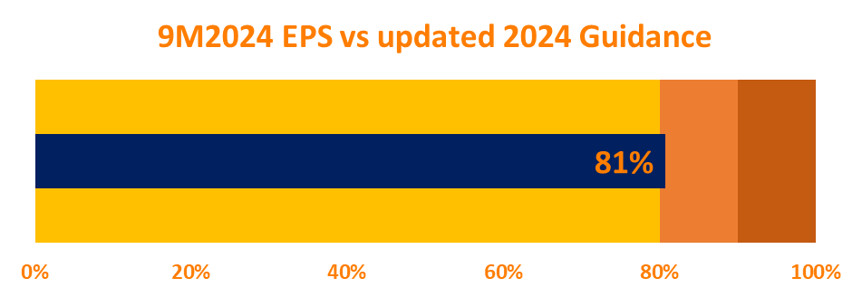
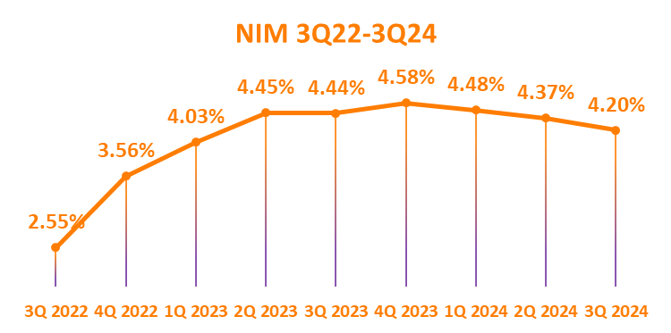
9M 2024 RESULTS DASHBOARD

cover

